1. Title Page
[Instacart Grocery Basket ]

Project Name: Instacart Grocery Basket Analysis
Date: 03 June 2023
Analyst Name: Sanja Kesic

Contents:
Population Flow
Consistency checks
Wrangling steps
Column derivations
Visualizations
Recommendations

Data Citation:
Customer data, as well as the "prices" column in the products data set, were both fabricated for the purpose of this project.
“The Instacart Online Grocery Shopping Dataset 2017”, Accessed from www.instacart.com/datasets/grocery-shopping-2017 via Kaggle on [date].

2. Population Flow
Title page

Population flow

Exclusion flag
Condition: max_order < 5
Obervations to be removed: 1,440,295
Final total count of ords_prods_customs_all: 30,964,564

Orders_products_combined
Orders_products_merged
Orders_products_all

Total:32,404,859
Total: 32,434,489
Total:32,404,859

1.) The grey boxes in the first row of the population flow represent the original data sets as they were when you downloaded them. In the Total fields you need to add the count of the rows when you imported the data set into Jupyter.
2.) The second row of boxes (coloured) represents the data sets after you manipulated them, e.g., removed missing values and duplicates. In the Total fields you need to add the count of the rows after conducting these operations. This offers a visual oveview of how the data flows throughout the data consistency checks.
3.) The third row, where also the arrows are coloured, represents the merges you performed between the datasets. In the Total fields you need to add the count of the rows in the merged datasets, so that you end up with the final dataset (in the red box). Keep in mind the final dataset should be without exclusions (based on the exclusion flag).

3. Consistency checks
 |  |  |  | Title page
Consistency checks

Dataset | Missing values | Missing values treatment | Duplicates
orders | 206209 missing values in 'days since prior order' | No change. It indicates the new customer, the one that placed his first order, assigned with order number 1. | No duplicates
products | 16 in the "product name" | dropped from a column | 5 duplicates deleted
 | Several odd values in the "prices" column were unrealistically high, namely eather $14,900.00,or $99,999.00. It have been found out in Task 4.9. It was recommended to copy the code into our notebook from Exercise 4.8. | By the recommendationg given in Exercise 4.9, all 5,127 rows with outlier observations have been turned into NaNs.

orders_products_prior | No missing values |  | No duplicates
customers | No missing values |  | No duplicates

4. Wrangling steps
 |  |  |  | Title page
Wrangling steps

Dataframe | Wrangling procedures |  | Comment/Reason
orders | Columns dropped | "eval_set" | Irrelevant for our analysis as it contains system information that acts as a label for the entire data set.

 | Columns renamed | "order_dow" to "orders_day_of_week" | It was named something obscure or unintuituve.

 | Columns' type changed | "order_id" changed to string | No need to calculate statistics for these columns, they don't represent real numeric values, rather. Keys related to specific orders and users.
 |  | "user_id" changed to string
df_custom | Columns dropped | "First_name" and "Last_name" | For security concerns since it contains PII

 | Columns renamed | "Surnam" to "Last_Name" | For better clarity
 |  | "n_dependants" to "Number_of_dependants" | For better clarity
 |  | "fam_status" to "Family_status" | For uniformity
 |  | "First Name" to "First_Name" | For uniformity
 |  | "user_id" to "User_ID" | For uniformity
 |  | "date_joined" to "Date_joined" | For uniformity
 |  | "income" to "Income" | For uniformity
 | Columns' type changed | "User_ID" changed to int32 (from int64) | For better RAM usage
 |  | "Age" changed to int32 (from int64) | For better RAM usage
 |  | "First_Name" to str (from object) | This column consisted 11259 NaNs. By changing the type from object to string these roblem was solved as this information is not relevant for our analysis.

df_ords_prods_merge_agg_charts | Columns dropped | No columns dropped

 | Columns renamed | "user_id" to "User_ID" | For uniformity

df_ords_prods_customs | Columns dropped | No columns dropped

 | Columns renamed | "product_id" to "Product_ID" | For better clarity
 |  | "product_name" to "Product_Name" | For better clarity
 |  | "aisle_id" to "Aisle_ID" | For uniformity
 |  | "department_id" to "Department_ID" | For uniformity
 |  | "prices" to "Prices" | For uniformity
 |  | "order_id" to "Order_ID" | For uniformity
 |  | "order_number" to "Order_number" | For uniformity
 |  | "orders_day_of_week" to "Orders_day_of_Week" | For uniformity
 |  | "order_hour_of_day" to "Order_hour_of_Day" | For uniformity
 |  | "days_since_prior_order" to "Days_since_prior_order" | For uniformity
 |  | "add_to_cart_order" to "Add_to_cart_order" | For uniformity
 |  | "reordered" to "Reordered" | For uniformity
 |  | "price_range_loc" to "Price_range_loc" | For uniformity
 |  | "busiest_day" to £Busiest_day" | For uniformity
 |  | "busiest_days" to "Busiest_days" | For uniformity
 |  | "busiest_period_of_day" to £Busiest_period_of_day" | For uniformity
 |  | "max_order" to "Max_order" | For uniformity
 |  | "loyalty_flag" to "Loyalty_flag" | For uniformity
 |  | "avg_price" to "Avg_price" | For uniformity
 |  | "spending_flag" to "Spending_flag" | For uniformity
 |  | "median_frequency" to "Median_frequency" | For uniformity
 |  | "order_frequency_flag" to "Order_frequency_flag" | For uniformity

5. Column derivations
 |  |  |  |  | Title page

Column derivations and aggregations

In this tab you should add tables below that the frequences of flags/label variables that you produced after deriving them. NB: don't do this for continuous variables, only for flags.
Dataset | New column | Column/s it was derived from | Conditions | Frequency
df_ords_prods_merged | Price_label | prices | prices <= 5 ": Low-range product" | 10,126,321
 |  |  | 5 < prices <= 15: "Mid-range product" | 21,860,860
 |  |  | prices > 15: "High-range product" | 417,678
 | Busiest_day | orders_day_of_week | if 0 (Saturday): "Bussiest day" | 6,204,182
 |  |  | if 4 (Wednesday): "Least busy" | 3,783,802
 |  |  | else: "Regularly busy" | 22,416,875
 | Busiest_days | orders_day_of_week | if 0 (Saturday) or 1 (Sunday): "Bussiest days" | 11,864,412
 |  |  | if 3 (Tuesday) or 4 (Wednesday): "Slowest days" | 7,624,336
 |  |  | else: "Regularly busy" | 12,916,111
 | Bussiest_period_of_Day | order_hour_of_day | 9 - 16 h: "Most orders" | 21,118,071
 |  |  | 23 - 6h: "Fewest orders" | 1,289,137
 |  |  | else: "Average orders" | 9,997,651
 | Max_order | order_number | Dataframe grouped by "user_id" and "order_number" transformed into max of "order_number"
 | Loyalty_flag | max_order | max_order > 40: "Loyal customer" | 10,284,093
 |  |  | 10 < max_order <= 40: "Regular customer" | 15,876,776
 |  |  | max_order <= 10: "New customer" | 6,243,990
 | Avg_price | prices | Dataframe grouped by "user_id" and "prices" transformed into mean of "prices"
 | Spending_flag | avg_price | avg_price < 10: "Low spender" | 31,770,614
 |  |  | avg_price >= 10: "High spender" | 634,245
 | Median_frequency | days_since_prior_order | Dataframe grouped by "user_id" and "days_since_prior_order" transformed into median of "days_since_prior_order"
 | Order_frequency_flag | median_frequency | median_frequency > 20: "Non-frequent customer" | 3,636,437
 |  |  | 10 < median_frequency <= 20: "Regular customer" | 7,208,564
 |  |  | median_frequency <= 10: "Frequent customer" | 21,559,853
df_ords_prods_customs_all | Region | STATE | "Northeast" | 5,722,736
 |  |  | "Midwest" | 7,597,325
 |  |  | "South" | 10,791,885
 |  |  | "West" | 8,292,913
 | Low_order_flag | Max_order | Max_order < 5: "Low=activity customer" | 1,440,295
 |  |  | Max_order >= 5: "High=activity customer" | 30,964,564
 | Age_profile | Age | Age < 13: "Child" | /
 |  |  | 13 <= Age <= 17: "Adolescent" | /
 |  |  | 17 < Age <= 35: "Young adult" | 9,146,419
 |  |  | 35 < Age <= 65: "Adult" | 15,170,339
 |  |  | 65 < Age: "Older adult" | 8,088,101
 | Income_profile | Income | Income < 75000: "Low-income" | 10,442,766
 |  |  | 75000 <= Income < 125000: "Middle-income" | 13,331,136
 |  |  | 125000 <= Income < 175000: "High-income" | 8,323,613
 |  |  | 175000 <= Income: "Very-high income" | 307,344
 | Vegan_profile | Department_ID | if the customer has 0 orders from Department_ID=12 (meat) and 0 orders from Department_ID =16 (dairy/eggs): "Vegan" | 383,427
 |  |  | else: Non-vegan | 32,021,432
 | Pet_profile | Department_ID | if the customer has 0 orders from Department_ID=7 (pets): "No-pet" | 28,876,718
 |  |  | else: "Pet owner" | 3,528,141
 | Young_parent_profile | Department_ID | if the customer has 0 orders from Department_ID=17 (babies): "Not-young parent" | 22,431,550
 |  |  | else: "Young parent" | 99,973,309
 | Family_profile | Family_status and Number_of_dependants | If married and 1 dependant: "Married, no children/dependants" | 7,550,904
 |  |  | If married and >= 2 dependants: "Married, with children/dependants" | 15,205,849
 |  |  | If not married and 0 dependants: "Single, no children/dependants" | 8,097,503
 |  |  | If not married and >= 1 dependant: "Single, with children/dependants" | 1,550,603
 | Shoppers_profile | Age_profile and Orders_day_of_Week | If Adult and Orders_day_of_Week <= 1: "Adult, weekend shopper" (0 and 1 correspond to Saturday and Sunday) | 5,544,745
 |  |  | If Adult and Orders_day_of_Week > 1: "Adult, working-day shopper" (0 and 1 correspond to Saturday and Sunday) | 9,625,594
 |  |  | If Older adult and Orders_day_of_Week <= 1: "Older adult, weekendshopper" (0 and 1 correspond to Saturday and Sunday) | 2,947,719
 |  |  | If Older adult and Orders_day_of_Week > 1: "Older adult, working-day shopper" (0 and 1 correspond to Saturday and Sunday) | 5,140,382
 |  |  | If Young adult and Orders_day_of_Week <= 1: "Young adult, weekend shopper" (0 and 1 correspond to Saturday and Sunday) | 3,371,948
 |  |  | If Young adult and Orders_day_of_Week < 1: "Young adult, working-day shopper" (0 and 1 correspond to Saturday and Sunday) | 5,774,471
 | Shoppers_fam_profile | Family_profile and Orders_day_of_Week | If Married, no children/dependants and Orders_day_of_Week <= 1: "Married, no child/depends, working-day shopper" | 4,791,149
 |  |  | If Married, no children/dependants and Orders_day_of_Week > 1: "Married, no child/depends, weekend shopper" | 2,759,755
 |  |  | If Married, with children/dependants and Orders_day_of_Week <= 1: "Married, have child/depends, working-day shopper" | 9,642,885
 |  |  | If Married, with children/dependants and Orders_day_of_Week > 1: "Married, with child/depends, weekend shopper" | 5,562,964
 |  |  | If Single, no children/dependants and Orders_day_of_Week <= 1: "Single, no child/depends, working-day shopper" | 5,122,427
 |  |  | If Single, no children/dependants and Orders_day_of_Week > 1: "Single, no child/depends, weekend shopper" | 2,975,076
 |  |  | If Single, with children/dependants and Orders_day_of_Week <= 1: "Single, with child/depends, working-day shopper" | 983,986
 |  |  | If Single, with children/dependants and Orders_day_of_Week > 1: "Single, with child/depends, weekend shopper" | 56,617

6. Visualizations
 |  | Title page

Visualisations

In this tab you should include all the visualtions from Exercises 4.9 and 4.10, alongside the questions from the project brief that they answer. Include any commentary on the relationship between different variables.

Key Questions:

1. What the busiest days of the week and hours of the day are?

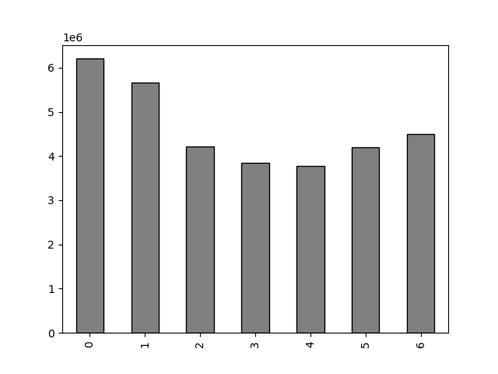

This bar chart represents the number of orders (y-axis) by the day of the week (x-axis).
Each day corresponds to a number, as follows:
0 = Saturday
1 = Sunday
2 = Monday
3 = Tuesday
4 = Wednesday
5 = Thursday
6 = Friday
We can observe that Friday, Saturday and Sunday are the busiest days of the week, where Sunday is being the most busiest day.
Wednesday is the least busy day.
We can conclude that the weekend is the time of the week with the most orders.

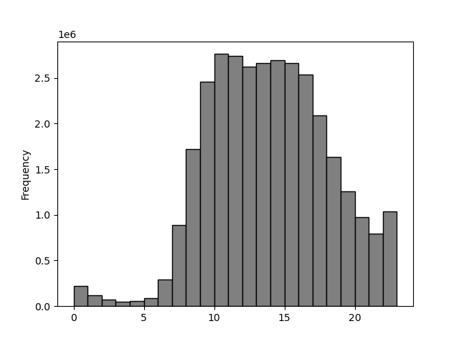

This histogram demostrates the frequency of orders (y-axis) by hour of the day (x-axis). The hours of the day are numbered as 24 hours clock.
It is easily visible that the pick of the day is between 10 am and 12 am. Orders are at their highest from 9am until 5 pm and then drop steadily to reach a low between midnight and 6 pm.

2. Are there particular times of the day when people spend the most money?

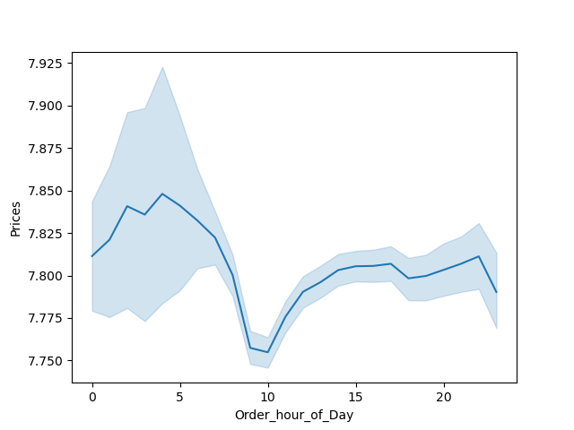

This line chart represents the average price of ordered item (y-axis) by order hour of the day (x-axis). The hours of the day are numbered as 24 hours clock.
It is easily visible that there is not a big range of average price for different hours of a day. Although we could say that there is a peak hour of a day at around 4 am , the difference between peak and trough at 10 am is only 10 cents.

3. Marketing and sales want to use simpler price range groupings to help direct their efforts.

I have grouped products into low- mid- and high-range products. If the item's price is lower than or equal to $5 it is labeled "Low-range product" If the item's price is above $5 but lower than or equal to $15, it is labeled "Mid-range product". If the item's price is above $15, it is labeled a "High-range product". Please have a look at a tab 5, "Column derivations" for more details.

4. Are there certain types of products that are more popular than others?
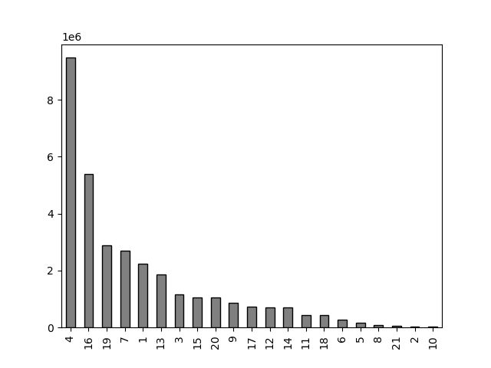

This bar chart represents the amount of products that are being bought from different departments.
1 - frozen; 2 - other; 3 - bakery; 4 - produce; 5 - alcohol; 6 - international; 7 - beverages; 8 - pets; 9 - dry goods pasta; 10 - bulk; 11 - personal care; 12 - meat/seafood; 13 - pantry; 14 - breakfast; 15 - canned goods; 16 - dairy/eggs; 17 - household; 18 - babies; 19 - snacks; 20 - deli; 21 - missing
We can observe that the most popular products are from departments "produce" (4) and "dairy/eggs" (16).
Least popular are "other" (2) and "bulk" (10).

5.1 What’s the distribution among users in regards to their brand loyalty (i.e., how often do they return to Instacart)?

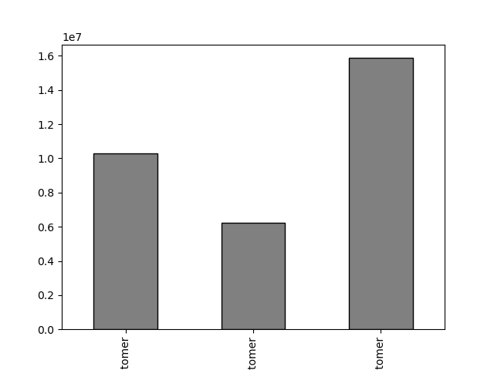

This bar chart represents number of customers who fall into one of the three categories:
1. Loyal customers - the one that have placed over 40 orders
2. Regular customers - the one that have placed between 10 and 40 orders
3. New customers - the one that have placed 10 or fewer orders
Loyal customers make up about one third of all customers while Regular customers make up 50% of all customers.

Loyal
Customer
New
Customer
Regular
Customer

5.2. Are there particular times of the day when people spend the most money?

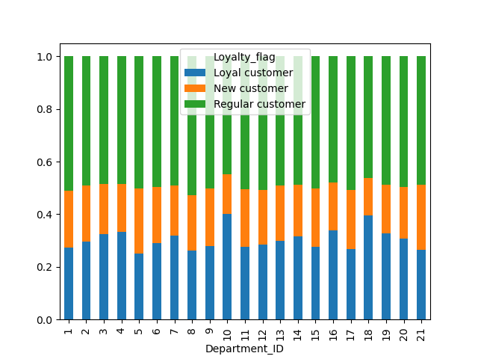

This stacked bar chart represents the relative number of orders that placed customers, of the three customer loyalty groups, in the different departments.
It can be observed that the pattern seems to be relatively consistent, although it can be seen that Loyal customers order more products from the "bulk"(10) and "babies" (18) departmentcompared to other customer groups.

5.3 Are there differences in ordering habits based on a customer’s region?

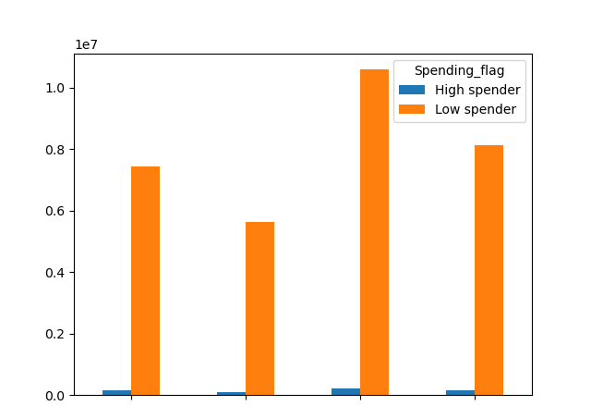
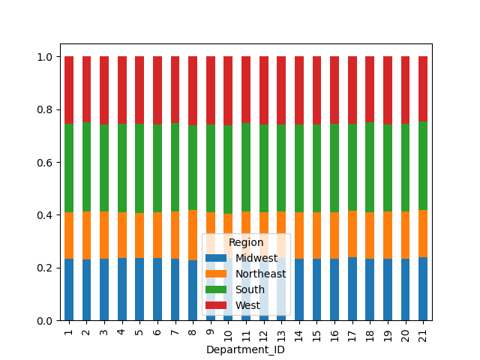

Midwest
Northeast
South
West

This stacked bar chart represents the relative amount of products ordered from different departments.
It can be observed that the pattern is consistent across all four regions.
This grouped bar chart represents the proportion of high and low spenders across all four regions.
We can observe that the proportion of high spenders is very low across all four regions, while the proportion of low spenders is relatively high.
It can be also seen that High spender and Low spender are in relatively the same proportion between them selves.
We can cocnlude that the region, where customers live, doesn't impact the amount of money that the customers spend.

Looking at the both charts it can be seen that in reality there are no differences in ordering habits based on customer's region.

5.4 Is there a connection between age and family status in terms of ordering habits?

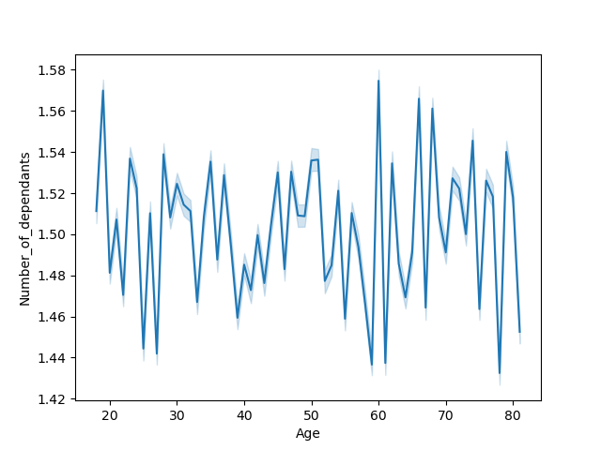


From this graph we can observe a connection between age and income.
We can see that the the vast majority, in all age groups, tend to earn under 200,000. Around age 40+ more of population is earning up to 300,000. Between 20's and 40's no one is earning more than 400,000. We can also observe that between 40's and 80's people tend to earn no more than 600,000. Our conclusion is that income generally tends to increase after 40 years of age, which makes sense, as people at that time get promotions and work on senior levels, and it is normal increase in salery for that life period. We can conclude that people mostly earn till 40 years of age around 200,000, although there exist some percentage that earn more than that, but at the same time less than 400,000. After age of 40 majority earns around 300,000 although some can earn up to 600,000.
The graph showes information about family situation through age groups.
There doesn't seem to be any relevant connection between age and family situation. We can observe that number of dependants increased dramatically in 20's which can be explained by people deciding to have a child. As it rise dramatically in 20's it also drops with the same trend around that age group. Possibly because of life circumstances relationships brake up, or because of financial instability, as people are looking for a job, having a child has been postponed. Around 30's we can observe more steady alternation of peaks and troughs which can maybe be due to still deciding about having a child/children. Between 40's and 50's we can observe positive trend in number of dependants which can be a reason of having a child living with parents, being still dependent of their financial help. There is steep downward trajectory for age groups between 50's and 60's which can be due to spouse's death, or children leaving their parents. Around 60's number of dependants increased dramatically which can be a reason of people taking cae of their elderly parents or elderly people taking care of their grandchildren. After 60's the trend slowed down noticably which can be because people taking care of their elderly parents and grandchildren. We can just guess all our predictions as there is really not any relevant connection between age and family situation. Because of all of these it would be hard to suggest the targeted marketing campaigns.

5.5 What different classifications does the demographic information suggest? Age? Income? Certain types of goods? Family status?

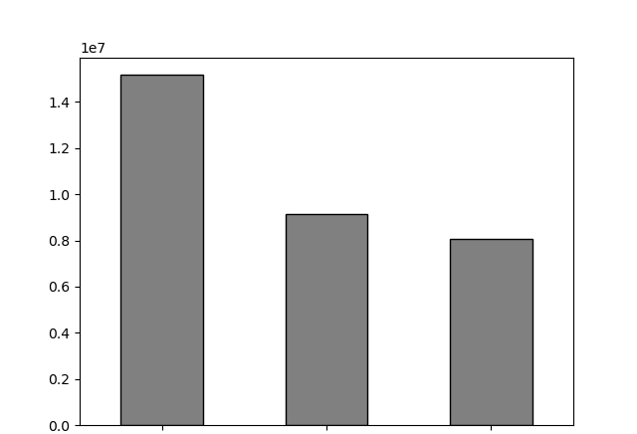
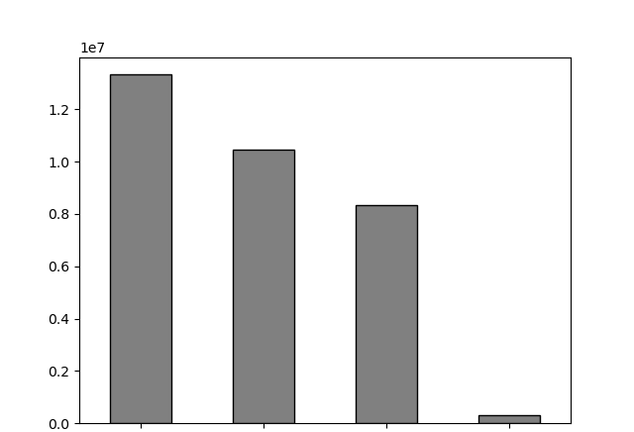

Adult
Young adult
Older adult
Middle income
Low income
High income
Very-high income

This bar chart represents the frequency of different age groups among the customers.
The majority of customers are Adults, between 35 and 65 years of age.
This bar chart represents the frequency of different income groups among the customers.
The majority of customers have a middle-income.

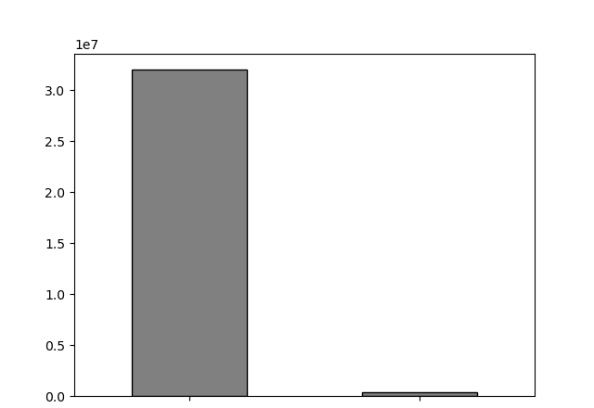
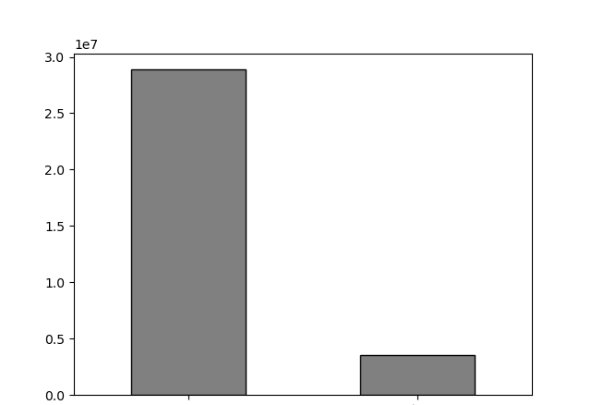

Pet owner
Non-vegan
Vegan
No - pet

This bar chart represents the frequency of customers with non-vegan and vegan diet.
The majority of customers are non-vegans.
This bar chart represents the frequency of customers with no - pet and owners with a pet..
The majority of customers don't own pet.

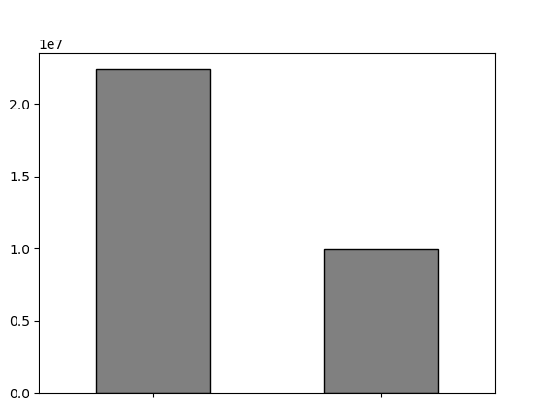
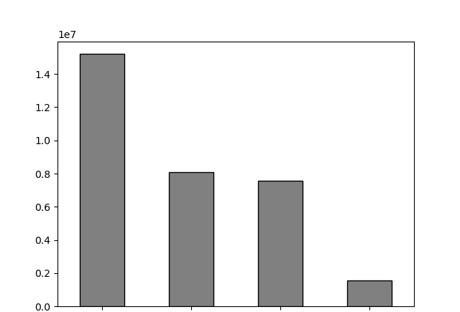

Not - young parent
Young parent
Married, with children/ dependants
Single, no children/ dependants
Married, no children/ dependants
Single, with children/ dependants

This bar chart represents the frequency of customers that are young parents (the one that recently had a baby) and not-young parents.
The majority of customers are not-young parents.
This bar chart represents the frequency different family groups among customers.
The majority of customers are married, with children/dependants.

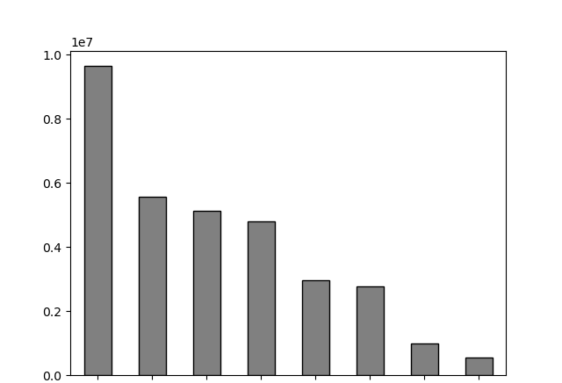
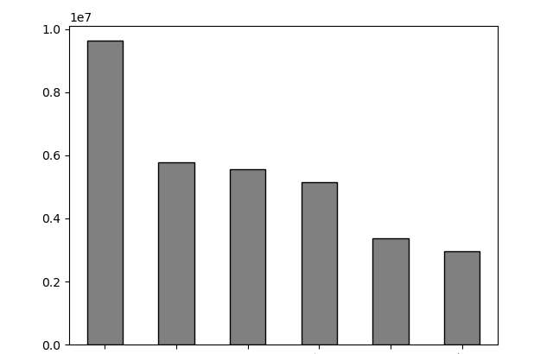

Young adult,
working-day shopper
Adult,
wweekend
shopper
Older adult,
working-day shopper
Young adult,
weekend
shopper
Older adult,
weekend
shopper
Married,
have child/
depends, working-day shopper
Married,
have child/
depends, weekend shopper
Single,
no child/
depends, working-day shopper
Married,
no child/
depends, working-day shopper
Single,
no child/
depends, weekend shopper
Married,
no child/
depends, weekend shopper
Single,
have child/
depends, working-day shopper
Single,
have child/
depends, weekend shopper
Adult,
working-day shopper

This bar chart represents the shoppers behavior by orders of day and age profile.
Customers are categorised by age into 6 groups:
1. "Adult, weekend shopper" - if age profile is Adult and orders day of week less and equal to 1 (0, 1 represents Saturday and Sunday)
2. "Adult, working-day shopper" - if age profile is Adult and orders day of week bigger than 1 (0, 1 represents Saturday and Sunday)
3. "Older adult, weekend shopper" - if age profile is Older adult and orders day of week less and equal to 1 (0, 1 represents Saturday and Sunday)
4. "Older adult, working-day shopper" - if age profile is Older adult and orders day of week bigger than 1 (0, 1 represents Saturday and Sunday)
5. "Young adult, weekend shopper" - if age profile is Young adult and orders day of week less and equal to 1 (0, 1 represents Saturday and Sunday)
6. "Young adult, working-day shopper" - if age profile is Young adult and orders day of week lbigger than 1 (0, 1 represents Saturday and Sunday)
The majority of customers are working-day adult shoppers.
This bar chart represents the shoppers behavior by orders day of week and family profile.
Customers are categorised into 8 groups:
1. "Married, no child/dependns, weekend shopper" - if Family profile is "Married, no children/dependants" and orders day of week less and equal to 1 (0, 1 represents Saturday and Sunday)
2. "Married, no child/dependns, working - day shoppers" - if Family profile is "Married, no children/dependants" and orders day of week bigger than 1 (0, 1 represents Saturday and Sunday)
3. "Married, have child/dependns, weekend shopper" - if Family profile is "Married, with children/dependants" and orders day of week less and equal to 1 (0, 1 represents Saturday and Sunday)
4. "Married, have child/dependns, working - day shoppers" - if Family profile is "Married, with children/dependants" and orders day of week bigger than 1 (0, 1 represents Saturday and Sunday)
5. "Single, no child/dependns, weekend shopper" - if Family profile is "Single, no children/dependants" and orders day of week less and equal to 1 (0, 1 represents Saturday and Sunday)
6. "Single, no child/dependns, weekend shopper" - if Family profile is "Single, no children/dependants" and orders day of week bigger than 1 (0, 1 represents Saturday and Sunday)
7. "Single, with child/dependns, weekend shopper" - if Family profile is "Single, with children/dependants" and orders day of week less and equal to 1 (0, 1 represents Saturday and Sunday)
8. "Single, with child/dependns, weekend shopper" - if Family profile is "Single, no children/dependants" and orders day of week bigger than 1 (0, 1 represents Saturday and Sunday)
The majority of customers are working-day adult shoppers.

5.6 What differences can you find in ordering habits of different customer profiles?

 | Differences in Profiles for different Regions

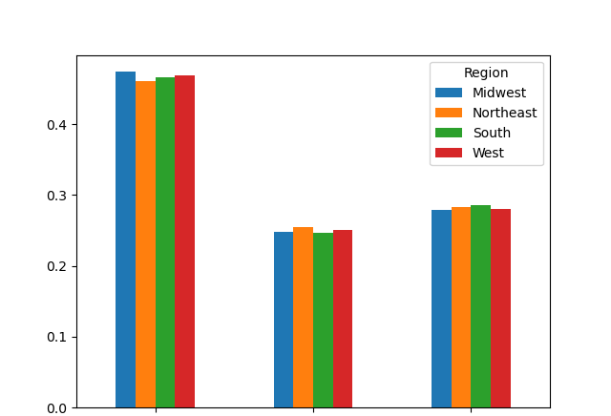
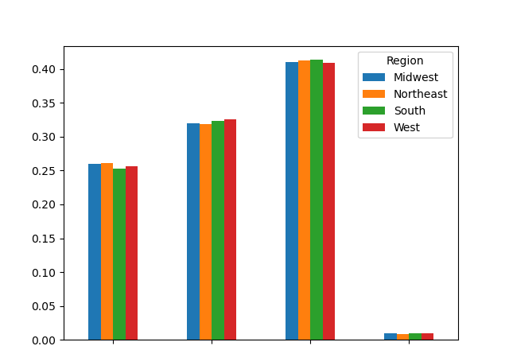

Adult
Older adult
Young adult
High-income
Low-income
Middle-income
Very-high income

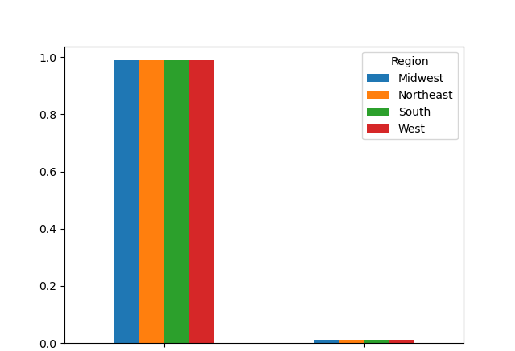
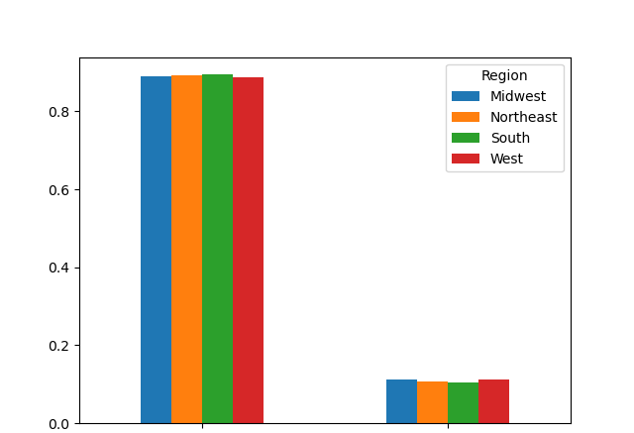

No-pet
Non-vegan
Vegan
Pet owner
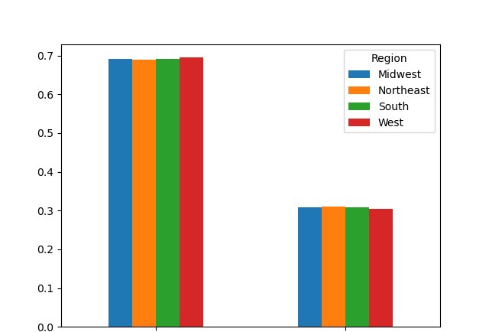
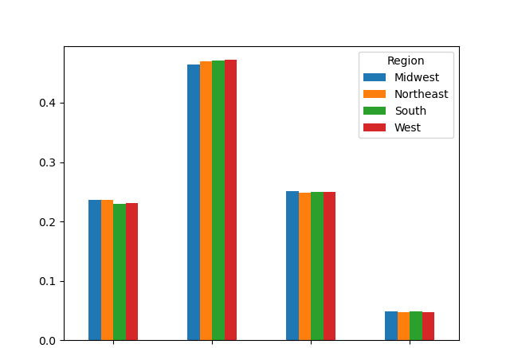

Not-young parent
Young parent
Married,
no children/
dependants
Married,
with children/
dependants
Single,
no children/
dependants
Single,
with children/
dependants

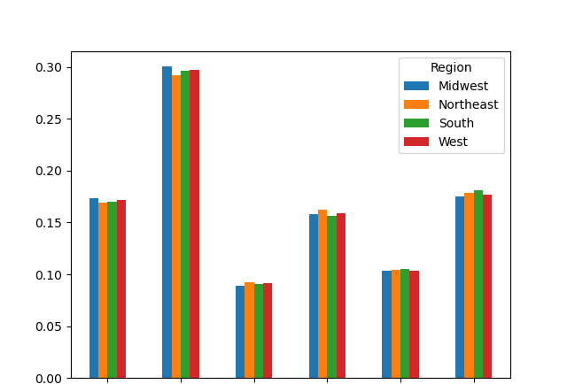
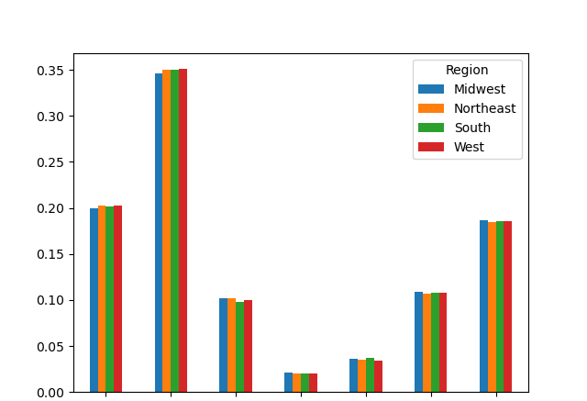

Young adult,
weekend
shopper
Young adult,
working-day
shopper
Adult,
weekend
shopper
Adult,
working-day
shopper
Older adult,
weekend
shopper
Older adult,
working-day
shopper
Married,
have
child/
dependns,
weekend
shopper
Married,
have
child/
dependns,
working-day
shopper
Married,
no
child/
dependns,
weekend
shopper
Single,
have
child/
dependns,
weekend
shopper
Single,
have
child/
dependns,
working-day
shopper
Single,
no
child/
dependns,
weekend
shopper
Single,
no
child/
dependns,
working-day
shopper

Each of these graphs shows the relative frequency of the various profiles within each region.
Surprisingly, no noticeable differences have been found, and the profiles were very consistent across all regions.

Differences in Profiles for different Departments

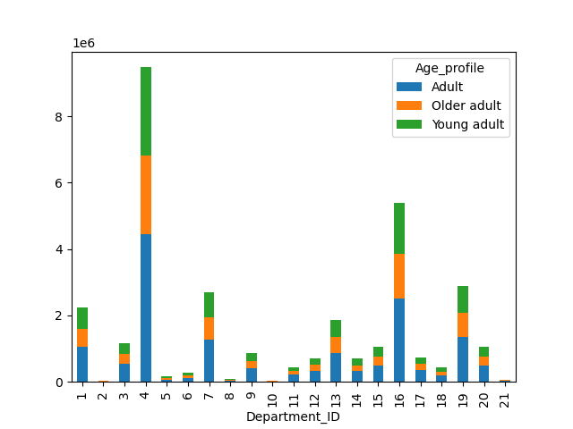
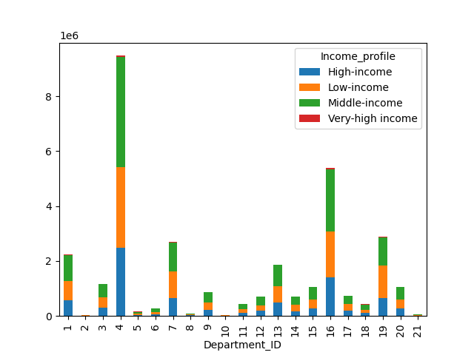

This stacked bar-chart represents the average number of products that are being bought in different departments by different age profiles.
We can observe that different age profiles buy productsat similar rates from different departments.
This stacked bar-chart represents the average number of products that are being bought in different departments by different income profiles.
In most of departments are some differences, especially between the Very-high income group and the other 3 groups in the form of their spending. As expected the very-high income group spends more money than other groups, except for the departments "produce" (4), "pets" (8), "dry goods pasta" (9), "babies" (18), "deli" (20) and "missing" (21).
Low-income group spends less money, compared to high and middle income groups, on "produce (4), "international" (6), pets (8), meat/seafood (12), but at he same time more money on "beverages" (7), household (17) and "snacks" (19).
High-income group spends less money, compared to other Low and Middle income groups, on "other" (2), alcohol (5), bulk (10) and "snacks" (19).

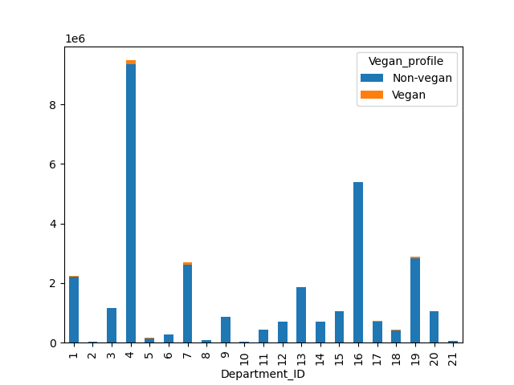
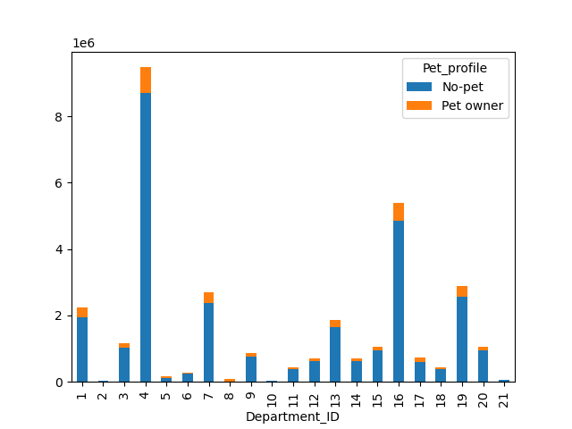

This stacked bar-chart represents the average number of products that are being bought in different departments by different vegan profiles.
In most departments can be seen differences between Non-vegan and vegan groups.
Vegans spend more money on "other" (2), "alcohol" (5), "beverages" (7), "personal care" (11), "houshold" (17) and "snacks" (19). They spend less on "frozen" (1), "bakery" (3), "international" (6), "dry good pasta" (9), "pantry" (13), "canned goods" (15), "babies" (18) and "deli" (20). They don't buy meat/seafood (12) and "dairy/eggs" as vegans don't eat that kind of food.
This stacked bar-chart represents the average number of products that are being bought in different departments by different pet profiles.
In most departments can be seen differences between no-pet and pet owners.
Pet owners spend more money on "frozen" (1), "bakery" (3), "alcohol" (5), "beverages" (7), "pets" (8), "personal care" (11), "pantry" (13), "canned goods" (15) and "household" (17). They spend less on "produce" (4), "bulk" (10) and"dairy/eggs" (16).

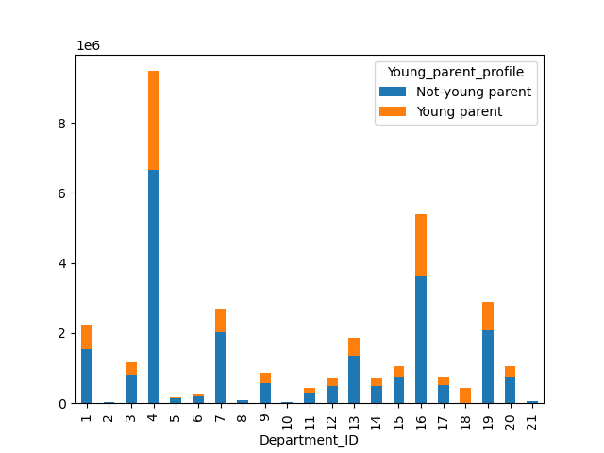
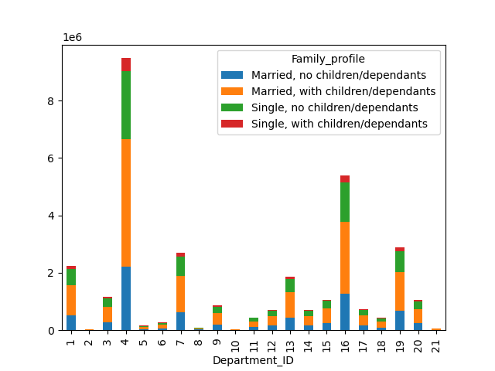

This stacked bar-chart represents the average number of products that are being bought in different departments by different young-parent profiles.
In almost all the departments young parents spend less money compared to not-young parents.
As expected young parents spend more money on "babies" (18) compared to not-young parents. And as well young parents spend much less money on "beverages" (7) and "pets" (8).
This stacked bar-chart represents the average number of products that are being bought in different departments by different family profiles.
In almost all the departments we can observe similar distributions.
Single with children/dependants spend more money compared to other family profiles, on "other" (2), "alcohol" (5) and "pets" (8), while at the same time spend less on "beverages" (7).
Married, with children/dependants spend less money, compared to other family profiles, on "international" (6).
Married, with no children/dependants spend more on "bulk" (10).

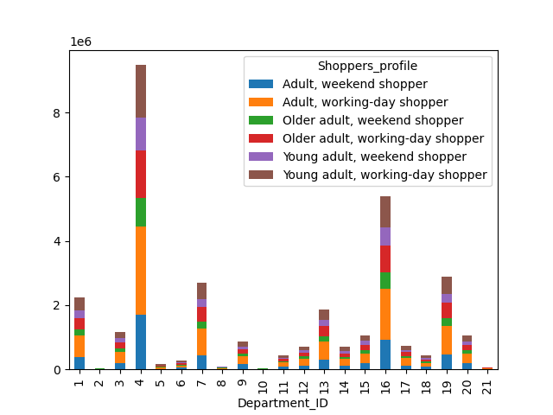
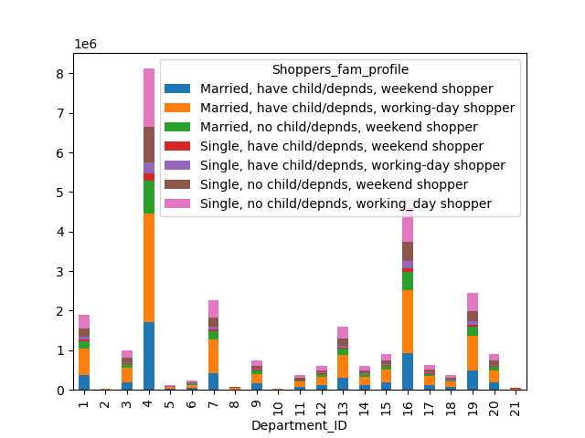

This stacked bar-chart represents the average number of products that are being bought in different departments by different shoppers profiles.
In almost all the departments we can observe similar distributions.
Adult, older adult and young adult (all weekend shoppers) tned to spend more money on "international" (6) and "canned goods" (15).
Adult, older adult and young adult (all working-day shoppers) tend to spend more money on "beverages" (7), "pets" (8), "personal care" (11) and "household" (17).
This stacked bar-chart represents the average number of products that are being bought in different departments by different shoppers_family profiles.
In almost all the departments we can observe similar distributions.
"Frozen" (1) mostly buy on working days, married with children/dependants and single with and without children/dependants.
"Produce" (4) mostly buy on weekend, married with children/dependants and single with and without children/dependants.
"Alcohol" (5) is being mostly purchased on working day by single with children/dependants.
"Beverages" (7) are mostly bought on working day by married with children/dependants and single without children/dependants.
"Pets" (8) are mostly purchased on working day by single with children/dependants.
"Personal care" (11) are mostly purchased on working day by single and married with children/dependants and single without children/dependants.
"Meat/seafood" (12) is mostly purchased on weekend by married with and without children/dependants and single with children/dependants.
"Pantry" (13) is mostly purchased on working day by married with children/dependants and single with and without children/dependants.
"Household" (17) is mostly purchased on working day by married with children/dependants and single with and without children/dependants.
"Snacks" (19) is mostly purchased on working day by married with children/dependants and single without.
"Missing" (21) is mostly purchased on working day by single with children/dependants.

7. Recommendations
 |  |  |  | Title page

Recommendations

In this tab you should include any recommendations you would made to Instcart in terms of their marketing strategy based on the questions posed in the brief. Every key question has been covered in the Tasks of the Exercises - here you need to add an item - a visualisation or table/crosstable that is showing the answer in the data, acompanied by a comment from you. Please, list the questions below and add the answer underneath.

Key Questions:

1. What the busiest days of the week and hours of the day are?

This bar chart represents the number of orders (y-axis) by the day of the week (x-axis).
Each day corresponds to a number, as follows:
0 = Saturday
1 = Sunday
2 = Monday
3 = Tuesday
4 = Wednesday
5 = Thursday
6 = Friday
We can observe that Friday, Saturday and Sunday are the busiest days of the week, where Sunday is being the most busiest day.
Wednesday is the least busy day.
We can conclude that the weekend is the time of the week with the most orders.

This histogram demostrates the frequency of orders (y-axis) by hour of the day (x-axis). The hours of the day are numbered as 24 hours clock.
It is easily visible that the pick of the day is between 10 am and 12 am. Orders are at their highest from 9am until 5 pm and then drop steadily to reach a low between midnight and 6 pm.

 |  | Recommendation: As the busiest days are Friday and Weekend, Instacart should try to focus more on Tuesday and Wednesday with their ads, in order to attract more customers on least busy days. Because the pick of the day is between 10am and 12 am, and in general at their highest from 9 am and 5 pm, recommendation is to place ads between 10am and 12 am, and again from 3pm till 5pm. As it is expected that during the working days customers mostly work, the time around noon (people are having a lunch break and surf more on their cell=phones and computers) and shortly before working day ends, are good time to reach new customers.

2. Are there particular times of the day when people spend the most money?

This line chart represents the average price of ordered item (y-axis) by order hour of the day (x-axis). The hours of the day are numbered as 24 hours clock.
It is easily visible that there is not a big range of average price for different hours of a day. Although we could say that there is a peak hour of a day at around 4 am , the difference between peak and trough at 10 am is only 10 cents.

 |  | Recommendation: Instacart should run more high-priced products ads in the early morning from 4 am till 8 am.

3. Marketing and sales want to use simpler price range groupings to help direct their efforts.

I have grouped products into low- mid- and high-range products. If the item's price is lower than or equal to $5 it is labeled "Low-range product" If the item's price is above $5 but lower than or equal to $15, it is labeled "Mid-range product". If the item's price is above $15, it is labeled a "High-range product". Please have a look at a tab 5, "Column derivations" for more details.

4. Are there certain types of products that are more popular than others?

This bar chart represents the amount of products that are being bought from different departments.
1 - frozen; 2 - other; 3 - bakery; 4 - produce; 5 - alcohol; 6 - international; 7 - beverages; 8 - pets; 9 - dry goods pasta; 10 - bulk; 11 - personal care; 12 - meat/seafood; 13 - pantry; 14 - breakfast; 15 - canned goods; 16 - dairy/eggs; 17 - household; 18 - babies; 19 - snacks; 20 - deli; 21 - missing
We can observe that the most popular products are from departments "produce" (4) and "dairy/eggs" (16).
Least popular are "other" (2) and "bulk" (10).

 |  | Recommendation: Although certain products are sold really well, like "produce", "dairy/eggs", "snacks", "beverages"…Instacart should eather put some more effort in these very well sold products, or it could try to animate customers more on less sold products such as "pets", "other" and bulk. It would be also recommendent to further investigate some of the customers' preferences in orther to reach them more easily.

5.1 What’s the distribution among users in regards to their brand loyalty (i.e., how often do they return to Instacart)?

This bar chart represents number of customers who fall into one of the three categories:
1. Loyal customers - the one that have placed over 40 orders
2. Regular customers - the one that have placed between 10 and 40 orders
3. New customers - the one that have placed 10 or fewer orders
Loyal customers make up about one third of all customers while Regular customers make up 50% of all customers.

 |  | Recommendation: To increase revenue with Loyal customers Instacart could offer some "Loyalty programs" or some kind of rewards, for their Loyal customers, in order to reach them more fully, and to be able to increase their satisfaction. They could offer them some special discounts or bonuses to show appreciation for their loyalty and firm more strongly their status.

Loyal
Customer
New
Customer
Regular
Customer

5.2. Are there differences in ordering habits based on a customer's loyalty status?

This stacked bar chart represents the relative number of orders that placed customers, of the three customer loyalty groups, in the different departments.
It can be observed that the pattern seems to be relatively consistent, although it can be seen that Loyal customers order more products from the "bulk"(10) and "babies" (18) departmentcompared to other customer groups.

 |  | Recommendation: It seems that the ordering habits not so much depend a customer's loyalty status. Although we can observe that loyal customers spend more money on "bulk" and "babies", Instacart should focus more, not on these department,s but on offering some "Loyalty programs" or some kind of rewards, for them, in order to reach them more fully, and to be able to increase their satisfaction. They could offer them some special discounts or bonuses to show appreciation for their loyalty and firm more strongly their status.

5.3 Are there differences in ordering habits based on a customer’s region?

Midwest
Northeast
South
West

This stacked bar chart represents the relative amount of products ordered from different departments.
It can be observed that the pattern is consistent across all four regions.
This grouped bar chart represents the proportion of high and low spenders across all four regions.
We can observe that the proportion of high spenders is very low across all four regions, while the proportion of low spenders is relatively high.
It can be also seen that High spender and Low spender are in relatively the same proportion between them selves.
We can cocnlude that the region, where customers live, doesn't impact the amount of money that the customers spend.

Looking at the both charts it can be seen that in reality there are no differences in ordering habits based on customer's region.

 | Recommendation: We can see that geographical regions are of no impact on customers money spending so Instacart should consider other relevant factors that influence their customer's ordering habits.

5.4 Is there a connection between age and family status in terms of ordering habits?

From this graph we can observe a connection between age and income.
We can see that the the vast majority, in all age groups, tend to earn under 200,000. Around age 40+ more of population is earning up to 300,000. Between 20's and 40's no one is earning more than 400,000. We can also observe that between 40's and 80's people tend to earn no more than 600,000. Our conclusion is that income generally tends to increase after 40 years of age, which makes sense, as people at that time get promotions and work on senior levels, and it is normal increase in salery for that life period. We can conclude that people mostly earn till 40 years of age around 200,000, although there exist some percentage that earn more than that, but at the same time less than 400,000. After age of 40 majority earns around 300,000 although some can earn up to 600,000.
The graph showes information about family situation through age groups.
There doesn't seem to be any relevant connection between age and family situation. We can observe that number of dependants increased dramatically in 20's which can be explained by people deciding to have a child. As it rise dramatically in 20's it also drops with the same trend around that age group. Possibly because of life circumstances relationships brake up, or because of financial instability, as people are looking for a job, having a child has been postponed. Around 30's we can observe more steady alternation of peaks and troughs which can maybe be due to still deciding about having a child/children. Between 40's and 50's we can observe positive trend in number of dependants which can be a reason of having a child living with parents, being still dependent of their financial help. There is steep downward trajectory for age groups between 50's and 60's which can be due to spouse's death, or children leaving their parents. Around 60's number of dependants increased dramatically which can be a reason of people taking cae of their elderly parents or elderly people taking care of their grandchildren. After 60's the trend slowed down noticably which can be because people taking care of their elderly parents and grandchildren. We can just guess all our predictions as there is really not any relevant connection between age and family situation. Because of all of these it would be hard to suggest the targeted marketing campaigns.

 |  | Recommendation: Income generally increase after 40 years of age, so Instacart could explore more the needs of that population and try to target their ads accordingly.

5.5 What different classifications does the demographic information suggest? Age? Income? Certain types of goods? Family status?

Adult
Young adult
Older adult
Middle income
Low income
High income
Very-high income

This bar chart represents the frequency of different age groups among the customers.
The majority of customers are Adults, between 35 and 65 years of age.
This bar chart represents the frequency of different income groups among the customers.
The majority of customers have a middle-income.

Pet owner
Non-vegan
Vegan
No - pet

This bar chart represents the frequency of customers with non-vegan and vegan diet.
The majority of customers are non-vegans.
This bar chart represents the frequency of customers with no - pet and owners with a pet..
The majority of customers don't own pet.

Not - young parent
Young parent
Married, with children/ dependants
Single, no children/ dependants
Married, no children/ dependants
Single, with children/ dependants

This bar chart represents the frequency of customers that are young parents (the one that recently had a baby) and not-young parents.
The majority of customers are not-young parents.
This bar chart represents the frequency different family groups among customers.
The majority of customers are married, with children/dependants.

Single,
no child/
depends, weekend shopper
Young adult,
working-day shopper
Adult,
wweekend
shopper
Older adult,
working-day shopper
Young adult,
weekend
shopper
Older adult,
weekend
shopper
Married,
have child/
depends, working-day shopper
Married,
have child/
depends, weekend shopper
Single,
no child/
depends, working-day shopper
Married,
no child/
depends, working-day shopper
Single,
no child/
depends, weekend shopper
Married,
no child/
depends, weekend shopper
Single,
have child/
depends, working-day shopper
Adult,
working-day shopper

This bar chart represents the shoppers behavior by orders of day and age profile.
Customers are categorised by age into 6 groups:
1. "Adult, weekend shopper" - if age profile is Adult and orders day of week less and equal to 1 (0, 1 represents Saturday and Sunday)
2. "Adult, working-day shopper" - if age profile is Adult and orders day of week bigger than 1 (0, 1 represents Saturday and Sunday)
3. "Older adult, weekend shopper" - if age profile is Older adult and orders day of week less and equal to 1 (0, 1 represents Saturday and Sunday)
4. "Older adult, working-day shopper" - if age profile is Older adult and orders day of week bigger than 1 (0, 1 represents Saturday and Sunday)
5. "Young adult, weekend shopper" - if age profile is Young adult and orders day of week less and equal to 1 (0, 1 represents Saturday and Sunday)
6. "Young adult, working-day shopper" - if age profile is Young adult and orders day of week lbigger than 1 (0, 1 represents Saturday and Sunday)
The majority of customers are working-day adult shoppers.
This bar chart represents the shoppers behavior by orders day of week and family profile.
Customers are categorised into 8 groups:
1. "Married, no child/dependns, weekend shopper" - if Family profile is "Married, no children/dependants" and orders day of week less and equal to 1 (0, 1 represents Saturday and Sunday)
2. "Married, no child/dependns, working - day shoppers" - if Family profile is "Married, no children/dependants" and orders day of week bigger than 1 (0, 1 represents Saturday and Sunday)
3. "Married, have child/dependns, weekend shopper" - if Family profile is "Married, with children/dependants" and orders day of week less and equal to 1 (0, 1 represents Saturday and Sunday)
4. "Married, have child/dependns, working - day shoppers" - if Family profile is "Married, with children/dependants" and orders day of week bigger than 1 (0, 1 represents Saturday and Sunday)
5. "Single, no child/dependns, weekend shopper" - if Family profile is "Single, no children/dependants" and orders day of week less and equal to 1 (0, 1 represents Saturday and Sunday)
6. "Single, no child/dependns, weekend shopper" - if Family profile is "Single, no children/dependants" and orders day of week bigger than 1 (0, 1 represents Saturday and Sunday)
7. "Single, with child/dependns, weekend shopper" - if Family profile is "Single, with children/dependants" and orders day of week less and equal to 1 (0, 1 represents Saturday and Sunday)
8. "Single, with child/dependns, weekend shopper" - if Family profile is "Single, no children/dependants" and orders day of week bigger than 1 (0, 1 represents Saturday and Sunday)
The majority of customers are married with children/dependants, working-day shoppers.

5.6 What differences can you find in ordering habits of different customer profiles?

 | Differences in Profiles for different Regions |  | * recommendation at the botom of this page!

Adult
Older adult
Young adult
High-income
Low-income
Middle-income
Very-high income

No-pet
Non-vegan
Vegan
Pet owner

Not-young parent
Young parent
Married,
no children/
dependants
Married,
with children/
dependants
Single,
no children/
dependants
Single,
with children/
dependants

Young adult,
weekend
shopper
Young adult,
working-day
shopper
Adult,
weekend
shopper
Adult,
working-day
shopper
Older adult,
weekend
shopper
Older adult,
working-day
shopper
Married,
have
child/
dependns,
weekend
shopper
Married,
have
child/
dependns,
working-day
shopper
Married,
no
child/
dependns,
weekend
shopper
Single,
have
child/
dependns,
weekend
shopper
Single,
have
child/
dependns,
working-day
shopper
Single,
no
child/
dependns,
weekend
shopper
Single,
no
child/
dependns,
working-day
shopper

Each of these graphs shows the relative frequency of the various profiles within each region.
Surprisingly, no noticeable differences have been found, and the profiles were very consistent across all regions.

Differences in Profiles for different Departments

This stacked bar-chart represents the average number of products that are being bought in different departments by different age profiles.
We can observe that different age profiles buy productsat similar rates from different departments.
This stacked bar-chart represents the average number of products that are being bought in different departments by different income profiles.
In most of departments are some differences, especially between the Very-high income group and the other 3 groups in the form of their spending. As expected the very-high income group spends more money than other groups, except for the departments "produce" (4), "pets" (8), "dry goods pasta" (9), "babies" (18), "deli" (20) and "missing" (21).
Low-income group spends less money, compared to high and middle income groups, on "produce (4), "international" (6), pets (8), meat/seafood (12), but at he same time more money on "beverages" (7), household (17) and "snacks" (19).
High-income group spends less money, compared to other Low and Middle income groups, on "other" (2), alcohol (5), bulk (10) and "snacks" (19).

This stacked bar-chart represents the average number of products that are being bought in different departments by different vegan profiles.
In most departments can be seen differences between Non-vegan and vegan groups.
Vegans spend more money on "other" (2), "alcohol" (5), "beverages" (7), "personal care" (11), "houshold" (17) and "snacks" (19). They spend less on "frozen" (1), "bakery" (3), "international" (6), "dry good pasta" (9), "pantry" (13), "canned goods" (15), "babies" (18) and "deli" (20). They don't buy meat/seafood (12) and "dairy/eggs" as vegans don't eat that kind of food.
This stacked bar-chart represents the average number of products that are being bought in different departments by different pet profiles.
In most departments can be seen differences between no-pet and pet owners.
Pet owners spend more money on "frozen" (1), "bakery" (3), "alcohol" (5), "beverages" (7), "pets" (8), "personal care" (11), "pantry" (13), "canned goods" (15) and "household" (17). They spend less on "produce" (4), "bulk" (10) and"dairy/eggs" (16).

This stacked bar-chart represents the average number of products that are being bought in different departments by different young-parent profiles.
In almost all the departments young parents spend less money compared to not-young parents.
As expected young parents spend more money on "babies" (18) compared to not-young parents. And as well young parents spend much less money on "beverages" (7) and "pets" (8).
This stacked bar-chart represents the average number of products that are being bought in different departments by different family profiles.
In almost all the departments we can observe similar distributions.
Single with children/dependants spend more money compared to other family profiles, on "other" (2), "alcohol" (5) and "pets" (8), while at the same time spend less on "beverages" (7).
Married, with children/dependants spend less money, compared to other family profiles, on "international" (6).
Married, with no children/dependants spend more on "bulk" (10).

This stacked bar-chart represents the average number of products that are being bought in different departments by different shoppers profiles.
In almost all the departments we can observe similar distributions.
Adult, older adult and young adult (all weekend shoppers) tned to spend more money on "international" (6) and "canned goods" (15).
Adult, older adult and young adult (all working-day shoppers) tend to spend more money on "beverages" (7), "pets" (8), "personal care" (11) and "household" (17).
This stacked bar-chart represents the average number of products that are being bought in different departments by different shoppers_family profiles.
In almost all the departments we can observe similar distributions.
"Frozen" (1) mostly buy on working days, married with children/dependants and single with and without children/dependants.
"Produce" (4) mostly buy on weekend, married with children/dependants and single with and without children/dependants.
"Alcohol" (5) is being mostly purchased on working day by single with children/dependants.
"Beverages" (7) are mostly bought on working day by married with children/dependants and single without children/dependants.
"Pets" (8) are mostly purchased on working day by single with children/dependants.
"Personal care" (11) are mostly purchased on working day by single and married with children/dependants and single without children/dependants.
"Meat/seafood" (12) is mostly purchased on weekend by married with and without children/dependants and single with children/dependants.
"Pantry" (13) is mostly purchased on working day by married with children/dependants and single with and without children/dependants.
"Household" (17) is mostly purchased on working day by married with children/dependants and single with and without children/dependants.
"Snacks" (19) is mostly purchased on working day by married with children/dependants and single without.
"Missing" (21) is mostly purchased on working day by single with children/dependants.

 | * Recommendation: Answers conducted from analysis can in general say that the majority of customers are married with children/dependants, working day shoppers between 35 and 65 years of age. All profiles are consistent across all regions. It could be reasonable for Instacart to address their customers based on their profiles. If they are vegans to put some effort in advertising products based on their diet. Also regarding pet ownership to focus on advertising more pets products. In terms of young parent to offer more ads regarding babies products. As there are also a lot low-income customers that will spend less money, it would be good to adress all these groups with some new offers in term of bonus points or some discount vouchers, to be able to attract them more often. Maybe by offering young parents gratis toy for a baby, or something small as a token of appretiation. Instacart could maybe offer some free "gift" depending on the amount of money payed for a purchase.

